Location Map
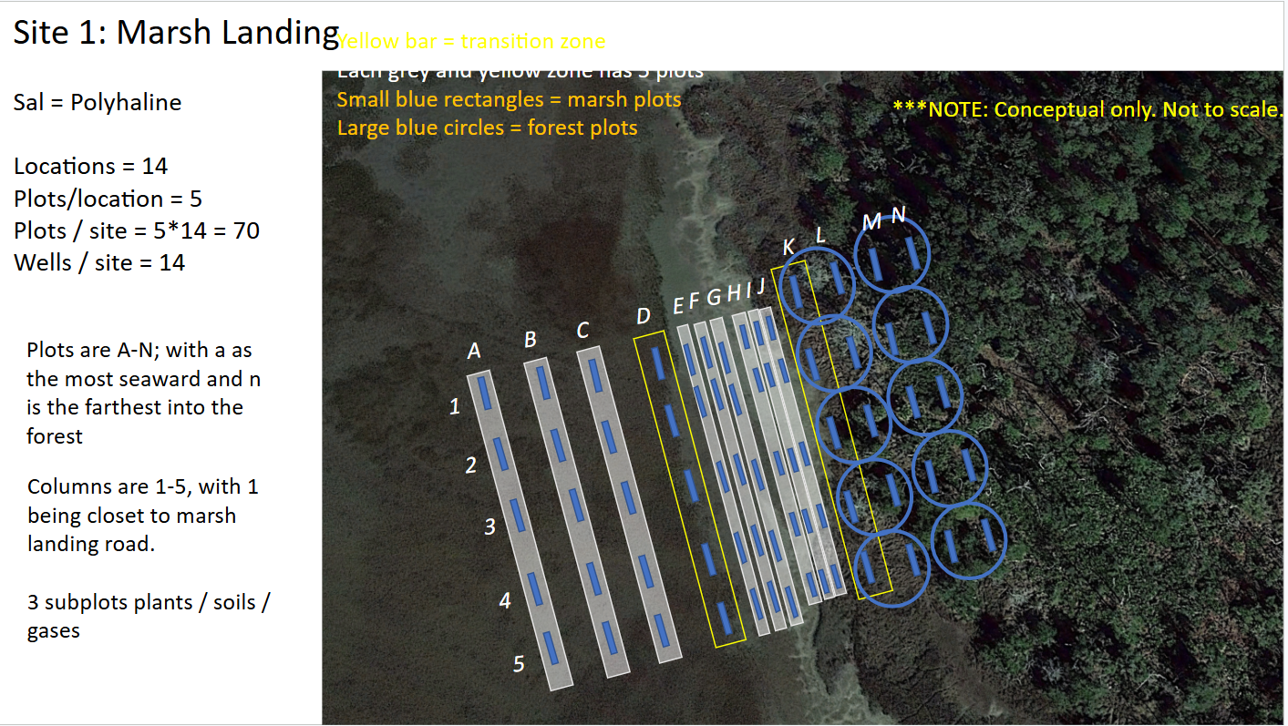
Data submission template for the upland variability sampling project at Marsh Landing.

Below is a map showing the layout of the study site. Transects are numbered 1-5 (north to south); plots are labeled A-N (going seaward to inland) subplots are 'plants', 'soils', 'gases'.

Enter data on the 'Tabular Data' tab. The first for columns (Site, Transect, Plot, Sub Plot) contain dropdown lists for selection location sampled (to keep naming conventions consistent).

Append data columns as needed based on your data. Contact Adam (asapp@uga.edu) with any questions or problems.

